Number of Individual Cases
The number of individual cases identified in EudraVigilance for
ZIDOVUDINE, ABACAVIR, LAMIVUDINE is 496 (up to 31/10/2023)
Number of individual cases by Age Group
Age Group | Cases | % | 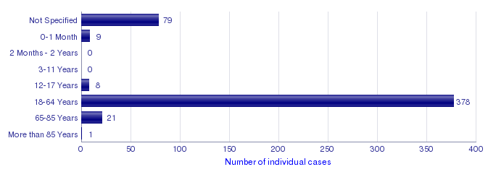
Not Specified | 79 | 15.9%
0-1 Month | 9 | 1.8%
2 Months - 2 Years | 0
3-11 Years | 0
12-17 Years | 8 | 1.6%
18-64 Years | 378 | 76.2%
65-85 Years | 21 | 4.2%
More than 85 Years | 1 | 0.2%
Total | 496 | 100.0%
Number of individual cases by Sex
Sex | Cases | %
Female | 149 | 30.0%
Male | 325 | 65.5%
Not Specified | 22 | 4.4%
Total | 496 | 100.0%
Number of individual cases by Geographic Origin (EEA/Non-EEA)
Occurrence Country EEA/Non EEA | Cases | %
European Economic Area | 238 | 48.0%
Non European Economic Area | 258 | 52.0%
Not Specified | 0
Total | 496 | 100.0%
Number of individual cases by Reporter Group
Reporter Group | Cases | %
Healthcare Professional | 460 | 92.7%
Non Healthcare Professional | 24 | 4.8%
Not Specified | 12 | 2.4%
Total | 496 | 100.0%
For the interpretation of the results, please refer to the key considerations at www.adrreports.eu

